Sheet1
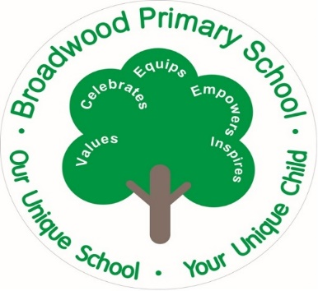
 |  |  | Broadwood Primary School
 |  |  | Uniform Order Form

 | Name:
 | Class:

 | Cost | Size | Quantity | Total
Green Sweatshirt Child | £7.50
Green Sweatshirt Adult | £9.45

Green Cardigan Child | £8.50

Black Sweatshirt (Y6) Child | £7.50
Black Sweatshirt (Y6) Adult | £9.45

White Polo Shirt Child | £6.20
White Polo Shirt Adult | £7.30

Sky Blue PE T-Shirt Child | £4.90
Sky Blue PE T-Shirt Adult | £6.30

Navy PE Shorts Child | £4.95
Navy PE Shorts Adult | £5.60

Bottle Green PE Bag | £5.00

Bottle Green Book Bag | £6.80

Green Heavy Duty Coat Child | £21.00
Green Heavy Duty Coat Adult | £25.50

Total amount |  |  |  | £

Children Sizes |  | Adult Sizes
Age 2 Age 3/4 |  | Extra Small
Age 5/6 Age 7/8 |  | Small
Age 9/10 Age 11/13 |  | Medium
 |  | Large

Office Use Only | Paid | Cash | Card | Signed

